InitailInput

 | Project |  |  |  |  |  |  |  |  |  | D/S WL = D/S Bed Level
 |  |  |  |  |  |  |  |  |  |  | D/S WL = End Sill Level

 | Calculations for |  |  |  | Division | EVT | File No.
 |  |  |  |  | Calc by |  | Date |  | Number of sheets
 |  |  |  |  | Checked by |  | Date |  |  | of

 |  | 1. INPUTS
 |  | Name of The Structure |  |  |  |  | Offtaking Canal | Lempuing II
 |  | Station |  |  | HM
Parent Canal |  | Upstream Canal |  |  |  | Comments:
 |  | Design Discharge | Q | 11.62 | mAD
 |  | Water Level | WL | 27.76 | mAD
 |  | Depth of Flow | h | 1.58 | mAD
 |  | Bed Level | BL | 26.18 | mAD
 |  | Bed Width | b | 4.00 | m
 |  | Velocity | v | 1.15 | m/s
 |  | Energy Head | E1 | 27.83 | mAD
 |  | Side Slope | m | 1.50
 |  | Longitudinal Slope | I | 0.00026
 |  | Manning's N | N | 0.0143
Check Structure / Division Structure |  | Downstream Canal |  |  |  | Comments:
 |  | Design Discharge | Q | 11.54 | cumec
 |  | Water Level | WL | 27.66 | mAD
 |  | Depth of Flow | h | 1.58 | m
 |  | Bed Level | BL | 26.08 | mAD
 |  | Bed Width | b | 4.00 | m
 |  | Velocity | v | 1.15 | m/s
 |  | Energy Head | E1 | 27.73 | mAD
 |  | Side Slope | m | 1.50
 |  | Longitudinal Slope | I | 0.00026
 |  | Manning's N | N | 0.0143
Structure Data |  |  |  |  |  | Comments:
 |  | Width of gates | Gw | 1.75 | m
 |  | Number of gates | Ng | 2.00 | Nos
 |  | Width of Pier | Wp | 0.80 | m
 |  | Sill Level | SL | 26.18 | mAD

Slide Gate
Project
0

Calculations for |  |  |  |  | Division |  | EVT | File No.
Capacity Check of Slide gate |  |  |  |  | Calc by |  |  | Date | Number of sheets
 |  |  |  |  | Checked by |  |  | Date |  | of

 | Capacity Check of Slide gate
 | Hydraulic Design of Canal Structures - MMP August 1985
 | USBR - Design of Small Small Dams
 | 1. INPUTS
 |  | 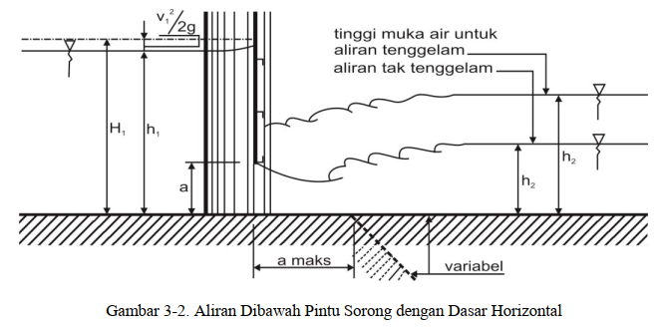 |  |  | <IMAGE>
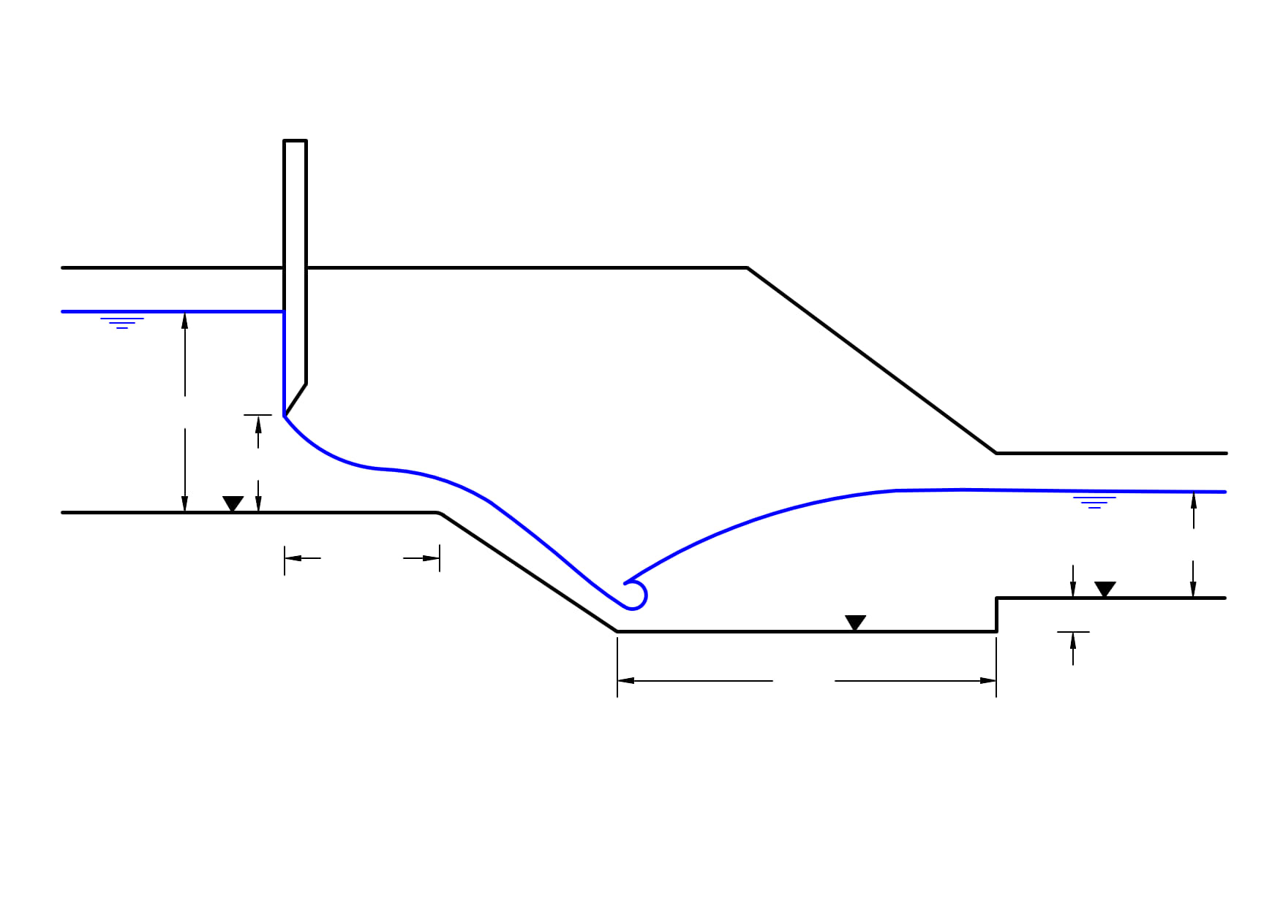
1.580
26.18
1.185
0.50
27.76
1.20
-1876.80
26.08
1902.88
1.58
27.66
1:1

 | 1. Standar Perencanaan Irigasi - Kriteria Perencanaan Bagian Bangunan KP-04
 | 2. Design of Small Dams - USBR
 | 1.1 GENERAL
 |  |  |  |  |  |  |  | Comments:
 | Design Discharge |  | Q | 11.540 | m3s-1
 | Number of Gates |  | Ng | 2.00 | -
 | Gate Width |  | w | 1.75 | m
 | Cill Level |  | Zc | 26.18 | mAD
 | Max Upstream Water Level |  | Zuswl | 27.76 | mAD
 | Design Downstream Water Level |  | Zdswl | 27.66 | mAD
 | Structure Flow Saftey Factor |  | Sf | 1.15 | -
 | Minimum Head Loss to Ensure Correct Gate Operation |  | hmin | 0.1 | m

=
 | 1.2 Effective Crest Coefficients
 |  |  |  |  |  |  |  | Comments:
 | Pier Contraction Coefficient |  | kp | 0.010 | - |  |  | USBR Design of Small Dams
 | Abutment Contraction Coefficient |  | ka | 0.0 | - |  |  | USBR Design of Small Dams

 | 2. OUTPUTS

 | 2.1 General
 |  |  |  |  |  |  |  | Comments:
 | Number of Piers |  | N | 1.000 |  | Ng-1
 | Sum of Gates Width |  | b' | 3.500 | m | Ng*w
 | Design Factored Discharge |  | Qf | 13.271 | m3s-1 | Sf*Q
 | Upstream Head Over Cill |  | h1 | 1.580 | m | Zuswl - Zc
 | Downstream Head Over Cill |  | h2 | 1.480 | m | Zdswl - Zc
 | Effective Crest Width |  | b | 3.468 | m | b'-2*(N*Kp+ka)*h1

 | 2.2 Capacity of Structure
 |  |  |  |  |  |  |  | Commemts
 | Max Height of Gate Opening |  | a | 1.185 | m |  |  | Taken as 3/4 of Head over crest |  |  | 1.20
 | Submergence Flow ratio |  | K | 1.000
 | Discharge Coefficient |  | m | 0.670
 | Depth of water u/s of gate |  | h1 | 1.580 | m
 | Max Unit Discharge |  | Qmax | 15.33 | m2s-1 | K x m x a x b x √(2 x g x h1)
 | Total Factored design discharge |  | Q | 13.271 | m2s-1 | Qf/b'
 | Discharge Capacity Check |  |  | OK |  | Q < Qmax
 | Minimum Head Loss Check |  | hmin | OK

MRCurve
Project
0

Calculations for |  |  |  |  | Division |  | EVT | File No. | 0
Manning's Rating Curve of d/s canal for design of Stilling Basin Design |  |  |  |  | Calc by |  | 0 | Date | 0 | Number of sheets
 |  |  |  |  | Checked by |  | 0 | Date |  |  | of

 | Manning's Rating Curve - D/S canal
 | Ven Te Chow
 | 1. INPUTS |  |  |  |  |  |  |  |  |  |  | is to be provided

 | Bed Width |  |  |  | B | 4.00 | m | Comments:
 | Side Slope |  |  |  | s | 1.50 | H:1V | Comments:
 | Bed Slope |  |  |  | i | 0.00026 | m/m | Comments:
 | Manning's Coefficient |  |  |  | n | 0.0143 |  | Comments:
 | Bed Level |  |  |  | Zb | 26.08 | mAD | Comments:
 | Max Depth |  |  |  | Dmax | 1.896 | m | Comments:

 | 2. OUTPUTS
 |  | increament in depth of flow = Dmax / |  |  | 8
 |  | # | Depth of Flow | Flow Area | Hydraulic Radius | Discharge | Water Level | Average Velocity |  | Froude | Water Surface
 |  | n | D | A | P | Q | Zwl | v |  | Fr
 |  |  | m | m2 | m | m3s-1 | mAD | ms-1 |  | -
 |  | - | - | D*(B+D*s) | B+2*D*√(1+s2) | A(A/P)2/3*√(i) / n | D+Zb | Q/A |  | v/√(g*D) | B+2*D*s
 |  | 1 | 0.000 | 0.000 | 4.00 | 0.00 | 26.080 | 0 |  | 0 | 4.00
 |  | 2 | 0.237 | 1.032 | 4.85 | 0.42 | 26.317 | 0.40 |  | 0.26 | 4.71
 |  | 3 | 0.474 | 2.233 | 5.71 | 1.35 | 26.554 | 0.60 |  | 0.28 | 5.42
 |  | 4 | 0.711 | 3.602 | 6.56 | 2.73 | 26.791 | 0.76 |  | 0.29 | 6.13
 |  | 5 | 0.948 | 5.140 | 7.42 | 4.54 | 27.028 | 0.88 |  | 0.29 | 6.84
 |  | 6 | 1.185 | 6.846 | 8.27 | 6.81 | 27.265 | 0.99 |  | 0.29 | 7.56
 |  | 7 | 1.422 | 8.721 | 9.13 | 9.55 | 27.502 | 1.09 |  | 0.29 | 8.27
 |  | 8 | 1.659 | 10.764 | 9.98 | 12.78 | 27.739 | 1.19 |  | 0.29 | 8.98
 |  | 9 | 1.896 | 12.976 | 10.84 | 16.52 | 27.976 | 1.27 |  | 0.30 | 9.69
 |  | 10 | 2.133 | 15.357 | 11.69 | 20.79 | 28.213 | 1.35 |  | 0.30 | 10.40
 |  | 11 | 2.370 | 17.905 | 12.55 | 25.62 | 28.450 | 1.43 |  | 0.30 | 11.11

Input_SB
Project
0

Calculations for |  |  |  |  | Division |  | EVT | File No. | 0
Basic Input required for Stilling Basin General Design |  |  |  |  | Calc by |  | 0 | Date | 0 | Number of sheets
 |  |  |  |  | Checked by |  | 0 | Date |  |  | of

 | Stilling Basin Check - Inputs
 | MM Hydraulic Structures, 1985
 | 1. INPUTS
 |  |  |  |  | <IMAGE>
 | 1.1 GENERAL |  |  |  |  |  |  |  |  |  |  |  |  |  |  |  |  |  |  | Rectangular

 | Design Flow |  | Qd | 11.54 | m3s-1 |  | Comments:
 | Flow Safety Factor |  | Sff | 1.15 | - |  | Comments:
 | Width of Stilling Basin |  | B | 4.30 | m |  | Comments:
 | Basin Safety Factor |  | Sf | 1.10 | - |  | Comments:
 | Bed Level US |  | Zusbl | 26.18 | mAD |  | Comments:
 | Bed Level DS |  | Zdsbl | 26.08 | mAD |  | Comments:
 | Allowance For Retrogression (Percentage of D/S Depth) |  | r | 10% | % |  | Comments:
 | Gate Width |  | wg | 3.50 | m |  | Comments:
 | Downstream Rating Curve (Table 1.1)
Downstream Rating Curve
26.08 | 0.00
26.32 | 0.42
26.55 | 1.35
26.79 | 2.73
27.03 | 4.54
27.26 | 6.81
27.50 | 9.55
27.74 | 12.78
27.98 | 16.52
28.21 | 20.79
28.45 | 25.62
 |  |  | # | Level | Flow |  | Velcocity
 |  |  | n | Zdswl | Q |  | v
 |  |  | - | mAD | m3s-1 |  | ms-1
 |  |  | 1 | 26.08 | 0.00 |  | 0.00
 |  |  | 2 | 26.32 | 0.42 |  | 0.40
 |  |  | 3 | 26.55 | 1.35 |  | 0.60
 |  |  | 4 | 26.79 | 2.73 |  | 0.76
 |  |  | 5 | 27.03 | 4.54 |  | 0.88
 |  |  | 6 | 27.26 | 6.81 |  | 0.99
 |  |  | 7 | 27.50 | 9.55 |  | 1.09
 |  |  | 8 | 27.74 | 12.78 |  | 1.19
 |  |  | 9 | 27.98 | 16.52 |  | 1.27
 |  |  | 10 | 28.21 | 20.79 |  | 1.35
 |  |  | 11 | 28.45 | 25.62 |  | 1.43
 | 1.2 CONDITION 1 |  |  |  |  |  |  |  |  |  |  |  |  |  |  |  |  |  |  | Rectangular
 |  |  |  |  |  |  |  | Comments:
 | 1.2.1 General
 | Percentage of Flow US (passing through gate) |  | musC1 | 10% |  |  |  |  |  |  |  |  |  | CHANGE THE WIDTH???
 | Percentage of Flow DS (existing) |  | mdsC1 | 0%
 | US Water Level |  | Zuswl,C1 | 27.760 | mAD |  |  |  |  |  |  |  | 91.08 | Width | Side Slope | Bed Level | Depth |  | Velocity
 | Velocity |  | vus,C1 | 0.195 | ms-1 |  |  |  |  |  |  |  |  | 4.30 | 0 | 26.2 | 1.6 | 6.8 | 0.195
 | Maximum Unit Discharge |  | qmax,c1 | 13.271 | m2s-1

 | 1.3 CONDITION 2 |  |  |  |  |  |  |  |  |  |  |  |  |  |  |  |  |  |  | Rectangular
 |  |  |  |  |  |  |  | Comments:
 | 1.3.1 General
 | Percentage of Flow US (passing through gate) |  |  | 100%
 | Percentage of Flow DS (existing) |  |  | 100%
 | 1.3.2 Upstream Conditions
 | US Water Level |  | Zuswl,C1 | 27.76 | mAD |  |  |  |  |  |  |  | 91.08 | Width | Side Slope | Bed Level | Depth |  | Velocity
 | Velocity |  | vus,C1 | 1.95 | ms-1 |  |  |  |  |  |  | 6.4085412879 |  | 4.30 | 0 | 26.2 | 1.6 | 6.8 | 1.953
 | Maximum Unit Discharge |  | qmax,c1 | 13.271 | m2s-1

 | 1.4 CONDITION 3 |  |  |  |  |  |  |  |  |  |  |  |  |  |  |  |  |  |  | Rectangular
 |  |  |  |  |  |  |  | Comments:
 | 1.4.1 General
 | Percentage of Flow US (passing through gate) |  |  | 120%
 | Percentage of Flow DS (existing) |  |  | 70%
 | 1.4.2 Upstream Conditions
 | US Water Level |  | Zuswl,C3 | 27.762 | mAD |  |  |  |  |  |  |  | 91.08 | Width | Side Slope | Bed Level | Depth |  | Velocity
 | Velocity |  | vus,C2 | 2.340 | ms-1 |  |  |  |  |  |  |  |  | 4.30 | 0 | 26.2 | 1.6 | 6.8 | 2.340
 | Maximum Unit Discharge |  | qmax,c1 | 13.271 | m2s-1

 | 2. OUTPUTS

 |  | Condition 1 - 10% Design Flow with Dry Downstream Bed
 |  | Condition 2 - Design Flow
 |  | Condition 3 - 120% Design Flow with 70% Design Flow Downstream

 | 2.1 GENERAL
 |  |  |  |  |  |  |  | Comments:
 | Factored Design Flow |  | Q | 13.271 | m3s-1 | Qd*Sff
 | 2.1.1 Condition 1
 | Factored Discharge US |  | Qus,C1 | 1.327 | m3s-1
 | Discharge DS |  | Qds,C1 | 0.000 | m3s-1
 | DS Water Level |  | Zdswl,C1 | 26.080 | mAD | Interpolate (Table 1.1) |  | Bed Level (dry downstream)
 | Velocity @ Q DS |  | vds,C1 | 0.000 | ms-1
 | 2.1.2 Condition 2
 | Factored Discharge US |  | Qus,C2 | 13.271 | m3s-1
 | Discharge DS |  | Qds,C2 | 11.540 | m3s-1
 | DS Water Level |  | Zdswl,C1 | 27.648 | mAD | Interpolate (Table 1.1)
 | Velocity @ Q DS |  | vds,C1 | 1.152 | ms-1
 | 2.1.3 Condition 3
 | Factored Discharge US |  | Qus,C3 | 15.925 | m3s-1
 | Discharge DS |  | Qus,C3 | 8.078 | m3s-1
 | DS Water Level |  | Zdswl,C3 | 27.375 | mAD | Interpolate (Table 1.1)
 | Velocity @ Q DS |  | vds,C2 | 1.041 | ms-1

 | 2.2 DOWNSTREAM CONDITION |  |  |  |  |  |  |  |  |  |  |  |  |  |  |  |  |  |  | Rectangular
 |  |  |  |  |  |  |  | Comments:
 | Water Depth DS Condition 2 |  | Dds,c2 | 1.568 | m | Zdswl-Zbl
 | Water Depth DS Condition 3 |  | Dds,c3 | 1.295 | m | Zdswl,70-Zbl
 | Retrogression @ Condition 2 |  | rc2 | 0.157 | m | m*Dds
 | Retrogression @ Condition 3 |  | rc3 | 0.129 | m | m*Dds,70%
 | Water Level Condition 2 with Retrogression |  | Zdsl,r | 27.491 | mAD | Zdswl-r
 | Water Level Condition 3 with Retrogression |  | Zdsl,70,r | 27.245 | mAD | Zdswl,70-r70

Calc
Project
0

Calculations for |  |  |  |  | 0 |  | EVT |  | File No. | 0
Stilling Basin Design - Detailed Design |  |  |  |  | Calc by |  | 0 |  | Date | 0 | Number of sheets
 |  |  |  |  | Checked by |  | 0 |  | Date |  |  | of

 | Stilling Basin Design
 | USBR Small Dams
 | USBR Low Froude Stilling Basins
 | 1. INPUTS
 |  | 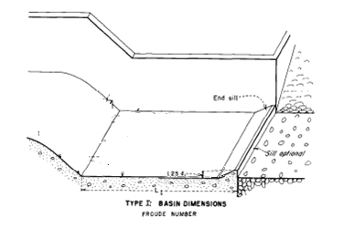 |  |  | <IMAGE>
 | Basin Level designed for: |  |  | Condition 3 |  |  | Comments: |  | The condition for which the level was designed |  |  |  |  |  |  |  |  |  |  | Condition 1
 | Condition chosen for further design |  |  | Condition 3 |  |  |  |  | The condition for which the velocities and levels should be taken from for further design |  |  |  |  |  |  |  |  |  |  | Condition 2
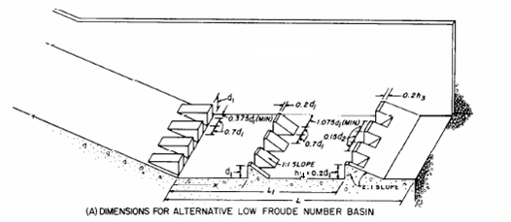
 | Upstream Water Level |  | Zuswl | 27.76 | mAD |  |  |  |  |  |  |  | 91.075008 | #NAME? | 10.848522312 | 1.58 | #NAME? |  |  | Condition 3
 | Upstream Velocity |  | v0 | 1.15 | ms-1
 | Basin Level |  | Zb | -1876.80 | mAD |  |  |  |  |  |  |  | 2.4776119403
 | Total Flow |  | Q | 11.5 | m3s-1 |  |  |  |  |  |  |  | 1 | y1
 | Stilling Basin Width |  | B | 3.500 | m |  |  |  |  |  |  |  |  |  |  |  |  | Type I
 | Number of Stilling Basins |  | N | 1 | - |  |  |  |  |  |  |  |  |  |  |  |  | Type II
 | Basin Type |  |  | Type I |  |  |  |  |  |  |  |  | 76.771 |  |  |  |  | Type IVA
 | End Sill Width Multiple |  | a | 0.150 |  |  |  |  |  |  |  |  |  |  |  |  |  | Type IV
 | Glasis Slope |  | s | 2 | H:1V
 | Downstream Rating Curve (Table 1.1)
Downstream Rating Curve
 |  |  | # | Level | Flow |  | Velcocity
 |  |  | n | Zdswl | Q |  | v
 |  |  | - | mAD | m3s-1 |  | ms-1
 |  |  | 1 | 26.08 | 0.00 |  | 0.00 |  |  |  |  |  |  |  | 85.563264
 |  |  | 2 | 26.32 | 0.42 |  | 0.40
 |  |  | 3 | 26.55 | 1.35 |  | 0.60
 |  |  | 4 | 26.79 | 2.73 |  | 0.76
 |  |  | 5 | 27.03 | 4.54 |  | 0.88
 |  |  | 6 | 27.26 | 6.81 |  | 0.99
 |  |  | 7 | 27.50 | 9.55 |  | 1.09
 |  |  | 8 | 27.74 | 12.78 |  | 1.19
 |  |  | 9 | 27.98 | 16.52 |  | 1.27
 |  |  | 10 | 28.21 | 20.79 |  | 1.35
 |  |  | 11 | 28.45 | 25.62 |  | 1.43

 | 2. OUTPUTS

 | 2.1 GENERAL
 |  |  |  |  |  |  |  |  | Comments:
 | Unit Flow |  | q | 3.30 | m2s-1
 | Upstream Velocity Head |  | hv | 0.07 | ms-1 | v02/(2g)
 | Total Energy |  | E0 | 1904.63 | m | Zuswl+hv-Zb
 | Velocity |  | v1 | 193.30 | ms-1 | √(2g*(E0-y1))
 | Depth of Flow |  | y1 | 0.017 | m | q/v |  |  |  |  |  |  | 0.115 | for circular reference
 | Upstream Froude Number |  | Fr1 | 472.600 | - | v1/√(gy1)
 | Conjugate Depth |  | y2 | 11.39 | - | y1/2*(√(1+8Fr12)-1)
 | Conjugate Level |  | Zc | -1865.41 | - | y2+Zb
 | Initial Design Flow |  | Qi | -99.00 | m3s-1 | INTERPOLATE |  |  | Flow downstream required for jump to appear in stilling basin |  |  |  |  | -1.4776119403
 | Free Jump Length Factor |  |  | -99.00 | m | INTERPOLATE
 | Free Jump Length |  |  | -1127.76 | m | L/y2*y2 |  |  | This is without any blocks
 | Minimum Basin Length (Type I) |  |  | 68.35 | m | 6*y2,design
 | Minimum length of structure to accommodate road bridge |  |  | 2.54 | m |  |  |  | This is for the whole structure
 | 2.2 BASIN DIMENSIONS
 | 2.2.1 Basin |  |  |  |  |  |  |  | Comments:
 | Basin Jump Length Factor |  | FL | -99.00 |  | INTERPOLATE
 | Basin Length |  | LB | -1127.76 | m | FL*y2
 |  |  | L | 10.10 | m | User Defined |  |  |  |  | 10.1 | m |  | User Defined |  |  |  | User Defined

 | 2.3 END SILL
 |  |  |  |  |  |  |  |  | Comments:
 | Toe Baffle Distance From Chute Toe Factor |  | L1/y2 | N/A | - | INTERPOLATE |  |  |  |  |  |  |  | INTERPOLATE |  | FL |  | INTERPOLATE
 | Minimum Toe Baffle Distance From Chute Toe |  | L1,min | N/A | m | L1/y2*y2 |  |  |  |  |  |  |  | L1/y2*y2 |  | LB |  | L1/y2*y2
 | Toe Baffle Distance From Chute Toe |  | L1 | 16.00 | - | User Defined |  |  |  |  | 16 | m |  | User Defined |  |  |  | User Defined
 | Height Ratio |  | h4 | 1.25 | - | INTERPOLATE |  |  |  |  |  |  |  | 0.2*y2 |  | L1/y2 |  | 0.2*y2
 | Minimum End Sill Height |  | Hs,min | 0.02 | - | h*y1 |  |  |  |  |  |  |  | 0.2*y2 |  | L1,min |  | 0.2*y2
 | End Sill Height |  | Hs | 1.00 | - | User Defined |  |  |  |  | 1 | m |  | User Defined |  | L1 |  | User Defined
 | Minimum End Sill Thickness |  | Tes,min | 0.20 | m | 0.2*Hs |  |  |  |  |  |  |  | 0.2*Hs |  | h4/y2 |  | 0.2*Hs
 | End Sill Thickness |  | Tes | 0.33 | - | User Defined |  |  |  |  | 0.333 | m |  | User Defined |  | Hs,min |  | User Defined
 | Minimum End Sill Block Width |  | Wes,min | N/A | m | a*y2 |  |  |  |  |  |  |  | a*y2 |  | Hs |  | a*y2
 | End Sill Block Width |  | Wes | 1.17 | - | User Defined |  |  |  |  | 1.17 | m |  | User Defined |  | Tes,min |  | User Defined
 | Minimum End Sill Block Spacing |  | Ses,min | N/A | - | a*y2 |  |  |  |  |  |  |  | a*y2 |  | Tes |  | a*y2
 | End Sill Block Spacing |  | Ses | 1.17 | - | User Defined |  |  |  |  | 1.17 | m |  | User Defined |  | Wes,min |  | User Defined
 | Number of Blocks |  | Nes | N/A | - | (B+Ses)/(Ses+Wes) |  |  |  |  |  |  |  | (B+Ses)/(Ses+Wes) |  | Wes |  | (B+Ses)/(Ses+Wes)

 | 2.4. CHUTE BLOCKS

 | Minimum Chute Block Height |  | Hmin | 0.02 | m | 2*y1/s |  |  |  |  |  |  |  | y1 |  | Ses |  | y1 | 2*y1/s
 | Chute Block Height |  | H | 0.00 | m | User Defined |  |  |  |  | 1 | m |  | User Defined |  | Nes |  | User Defined
 | Minimum (Max if IV) Chute Block Width |  | Wmin | 0.02 | m | y1 |  |  |  |  |  |  |  | 0.7*y1 |  |  |  | 0.7*y1
 | Chute Block Width |  | W | 0.40 | m | User Defined |  |  |  |  | 0.4 | m |  | User Defined |  | Hmin |  | User Defined
 | Minimum Chute Block Spacing |  | Smin | 0.02 | m | y1 |  |  |  |  |  |  |  | 0.7*y1 |  | H |  | 0.7*y1
 | Chute Block Spacing |  | S | 0.40 | m | User Defined |  |  |  |  | 0.4 | m |  | User Defined |  | Wmin |  | User Defined
 | Spacing Factor at End of Chute Blocks |  | k | 114.324 | - | (B-(N(W+S)-S))/2/y1 |  |  |  |  |  |  |  | (N(W+S)-B-S)/2/y1 |  | W |  | (N(W+S)-B-S)/2/y1
 | Spacing at End of Chute Blocks |  | s | 1.950 | m | (B-(N(W+S)-S))/2 |  |  |  |  |  |  |  | (B-(N(W+S)-S))/2 |  | Smin |  | (B-(N(W+S)-S))/2

 | 2.5. BAFFLE BLOCKS

 | Distance From Chute Toe Factor |  | X/y2 | 0.80 | - | INTERPOLATE |  | Comments: |  |  |  |  |  | INTERPOLATE |  | k |  | INTERPOLATE
 | Minimum Distance From Chute Toe |  | L1.min | 9.11 | - | X/y2*y2 |  | Comments: |  |  |  |  |  | L1/y2*y2 |  | s |  | L1/y2*y2
 | Distance From Chute Toe |  | L1 | 1.00 | - | User Defined |  | Comments: |  |  | 1 | m |  | User Defined |  |  |  | User Defined
 | Height Factor |  | h3 | -99.00 | - | y1 |  | Comments: |  |  |  |  |  | y1 |  | X/y2 |  | y1
 | Minimum Height |  | H3,min | -1.69 | - | h3*y1 |  | Comments: |  |  |  |  |  | y1 |  | L1.min |  | y1
 | Height |  | H3 | 1.75 | m | User Defined |  | Comments: |  |  | 1.75 | m |  | User Defined |  | L1 |  | User Defined
 | Minimum Crest Thickness |  | Htb,min | 0.35 | - | 0.2*y1 |  | Comments: |  |  |  |  |  | 0.2*y1 |  | h3/d1 |  | 0.2*y1
 | Crest Thickness |  | Htb | 0.33 | - | User Defined |  | Comments: |  |  | 0.333 | m |  | User Defined |  | H3,min |  | User Defined
 | Minimum Width |  | H3,min | -1.27 | - | 0.75*y1 |  | Comments: |  |  |  |  |  | y1 |  | Htb |  | y1
 | Width |  | Htb | 1.33 | m | User Defined |  | Comments: |  |  | 1.333 | m |  | User Defined |  | Htb,min |  | User Defined
 | Recommended Gap At Side |  | H3,min | -0.63 | - | 0.375*y3 |  | Comments: |  |  |  |  |  | y1 |  | Htb |  | y1
 | Gap Size |  | Htb | 2.42 | - |  |  | Comments: |  | Change number of blocks for gap |  |  |  | User Defined |  | H3,min |  | User Defined

